grain size analysis
* grain-size distribution of bed material (2006) _ BM-54
 | Passing Percentage (%)
체 크기 sieve size (mm) | 16 | 8 | 4 | 2 | 1 | 0.5 | 0.25 | 0.125 | 0.0625 | Pan
평균 (mean) | 100 | 97.2 | 94.3 | 72.5 | 29.5 | 7.91 | 1.35 | 0.52 | 0.15 | 0

* grain-size distribution of bed material (2007) _ BM-54
 | Passing Percentage (%)
체 크기 sieve size (mm) | 16 | 8 | 4 | 2 | 1 | 0.5 | 0.25 | 0.125 | 0.0625 | Pan
홍수 전 평균 (mean_before the flood) | 100 | 76.11 | 61.58 | 53.81 | 37.52 | 21.1 | 8.19 | 2.61 | 0.99 | 0.44
홍수 후 평균 (mean_before the flood) | 100 | 94.43 | 89.37 | 85.96 | 73.13 | 55.87 | 20.86 | 8.48 | 2.32 | 7.01
before the flood (2007)
after the flood (2007)
mean
percent passing(%)
particle size (mm)
particle size time | D35(mm) | D50(mm) | D65(mm) | D90(mm) | 균등계수 Coefficient of uniformity (Cu) | 곡률계수 Coefficient of curvature (Cg)
홍수전 (before the flood) | 0.93 | 1.76 | 4.85 | 13.45 | 12.53 | 3.91
홍수후(after the flood ) | 0.37 | 0.40 | 0.75 | 4.00 | 0.59 | 0.92
 |  | 1.08 | 2.80

* grain-size distribution of bed material (2008) _ BM-54, Grab sampler(60L)
 | Passing Percentage (%)
체 크기 sieve size (mm) | 16 | 8 | 4 | 2 | 1 | 0.5 | 0.25 | 0.125 | 0.0625 | Pan
홍수 전 평균 (mean_before the flood) | 100 | 69.4 | 65.35 | 62.67 | 51.43 | 30.67 | 13.81 | 4.44 | 1.04 | 0.31
홍수 후 평균 (mean_before the flood) | 100 | 97.29 | 96.56 | 94.81 | 80.71 | 44.41 | 16.9 | 6.11 | 3.06 | 1.39
before the flood (2008)
after the flood (2008)
mean
percent passing(%)
particle size (mm)
particle size time | D35(mm) | D50(mm) | D65(mm) | D90(mm) | 균등계수 Coefficient of uniformity (Cu) | 곡률계수 Coefficient of curvature (Cg)
홍수전 (before the flood) | 0.50 | 0.78 | 0.94 | 12.00 | 5.33 | 1.02
홍수후(after the flood ) | 0.50 | 0.74 | 0.84 | 1.85 | 4.67 | 1.17
 |  | 0.76 | 0.89

before the flood (2009)
after the flood (2009)
mean
percent passing(%)
particle size (mm)
* grain-size distribution of bed material (2009) _ Grab sampler(60L)
particle size time | D35(mm) | D50(mm) | D65(mm) | D90(mm) | 균등계수 Coefficient of uniformity (Cu) | 곡률계수 Coefficient of curvature (Cg)
홍수전 (before the flood) | 2.16 | 11.25 | 46.66 | 61.67 | 24.42 | 0.13
홍수후(after the flood ) | 2.66 | 14.50 | 36.25 | 100.00 | 72.50 | 0.10
 |  | 12.88 | 41.46

before the flood (2010)_sand
after the flood (2010)_sand
mean_sand
percent passing(%)
particle size (mm)
before the flood (2010)_gravel
after the flood (2010)_gravel
mean_gravel
percent passing(%)
particle size (mm)
* grain-size distribution of bed material (2010) _ Grab sampler(60L)
particle size time | D35(mm) | D50(mm) | D65(mm) | D90(mm) | 균등계수 Coefficient of uniformity (Cu) | 곡률계수 Coefficient of curvature (Cg)
평군 (mean) | 0.81 | 1.42 | 2.00 | 6.82 | 26.33 | 1.29

* grain-size distribution of bed material (2014) _ grid sampling(Hack_1947)

* particle size distribution of suspended sediment (2014)_Laser Diffraction
 |  |  |  |  |  |  |  |  |  |  | * grain-size distribution of bed material (2014)_Sieve
No | particle size distribution of suspended sediment (%)
 | range (mm) |  |  |  |  |  |  |  |  |  | particle size time | D10 | D30 | D35 | D60 | D65 | 균등계수 Coefficient of uniformity (Cu) | 곡률계수 Coefficient of curvature (Cg)
 | 0.0020~ | 0.063~ | 0.126~ | 0.26~ | 0.51~ | 1.1~ | 2.1~ | 4.1~ |  |  | 홍수전 (before the flood) | - | - | - | - | - | - | -
 | 0.062 | 0.125 | 0.25 | 0.5 | 1 | 2 | 4 | 8 |  |  | 홍수후(after the flood ) | 5.47 | 72.65 | 95.03 | 154.78 | 164.83 | 28.30 | 6.23
1 | 72.95 | 18.3 | 6.58 | 1.5 | 0.11 | 0 | 0 | 0 |  |  | 평균 (mean) | - | - | - | - | - | - | -
2 | 64.38 | 17.29 | 11.44 | 4.78 | 1.32 | 0.08 | 0 | 0 |  |  | particle size time | D5 | D10 | D15 | D20 | D25 | D30 | D35 | D40 | D45 | D50 | D55 | D60 | D65 | D70 | D75 | D80 | D85 | D90 | D95 | D100
3 | 78.48 | 12.49 | 5.64 | 1.53 | 0.27 | 0 | 0 | 0 |  |  | 홍수전 (before the flood) | - | - | - | - | - | - | - | - | - | - | - | - | - | - | - | - | - | - | - | -
4 | 80.68 | 11.78 | 4.82 | 0.92 | 0.23 | 0 | 0 | 0 |  |  | 홍수후 (after the flood ) | 2.00 | 5.47 | 9.91 | 21.98 | 41.29 | 72.65 | 95.03 | 101.50 | 110.13 | 122.52 | 142.82 | 154.78 | 164.83 | 173.18 | 182.85 | 192.52 | - | - | - | -
5 | 86.6 | 8.57 | 2.62 | 0.13 | 0 | 0 | 0 | 0 |  |  | 평균 (mean) | - | - | - | - | - | - | - | - | - | - | - | - | - | - | - | - | - | - | - | -
6 | 83.69 | 11.34 | 3.18 | 0.07 | 0 | 0 | 0 | 0
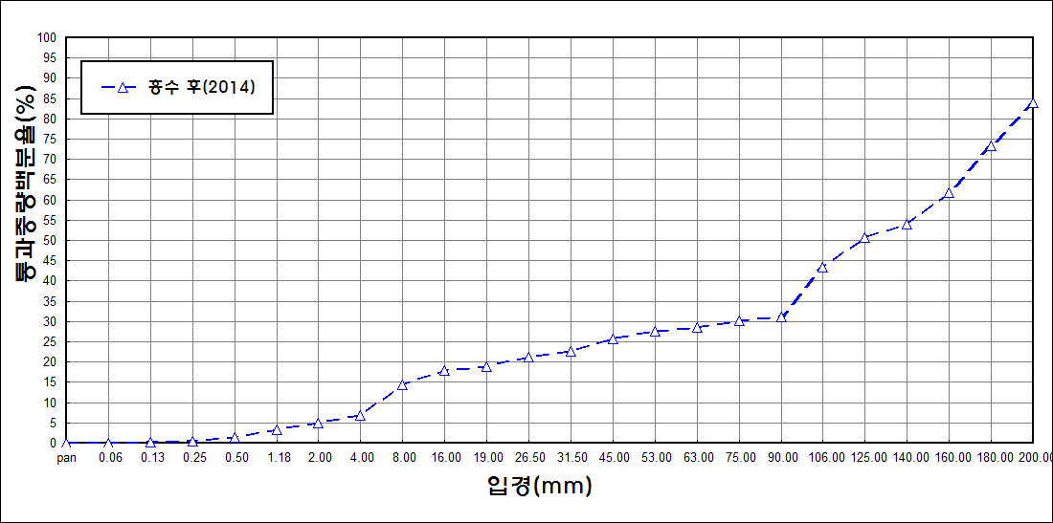
after the flood (2014)
percent passing(%)
particle size (mm)
7 | 86.87 | 9.73 | 1.44 | 0 | 0 | 0 | 0 | 0
8 | 83.68 | 12.52 | 2.44 | 0 | 0 | 0 | 0 | 0
9 | 84.74 | 11.85 | 1.93 | 0 | 0 | 0 | 0 | 0
10 | 76.88 | 13.4 | 6.56 | 1.68 | 0.24 | 0 | 0 | 0
11 | 69.02 | 15.85 | 9.6 | 3.49 | 0.95 | 0 | 0 | 0
12 | 84.41 | 9.24 | 3.68 | 0.67 | 0.1 | 0.01 | 0 | 0
13 | 84.36 | 8.03 | 4.03 | 1.09 | 0.03 | 0 | 0 | 0
14 | 82.49 | 9.86 | 4.23 | 1.4 | 0.15 | 0 | 0 | 0
15 | 85.41 | 7.65 | 3.4 | 0.77 | 0.05 | 0 | 0 | 0
16 | 85.1 | 7.78 | 3.15 | 0.8 | 0.18 | 0.01 | 0 | 0
17 | 84.4 | 8.84 | 3.23 | 0.85 | 0.2 | 0 | 0 | 0
18 | 83.78 | 9.42 | 3.56 | 0.67 | 0.24 | 0 | 0 | 0
19 | 84.86 | 8.51 | 3.2 | 0.65 | 0.12 | 0 | 0 | 0
20 | 85.58 | 8.17 | 2.86 | 0.45 | 0.03 | 0 | 0 | 0
21 | 87.51 | 6.81 | 2.14 | 0.26 | 0.02 | 0 | 0 | 0
22 | 87.25 | 7.79 | 2.47 | 0.26 | 0.01 | 0 | 0 | 0
23 | 86.46 | 8.61 | 2.39 | 0.39 | 0.11 | 0 | 0 | 0
24 | 86.22 | 8.8 | 3 | 0.14 | 0 | 0 | 0 | 0
25 | 87.51 | 9.12 | 1.54 | 0.27 | 0.02 | 0 | 0 | 0
mean | 80.31 | 11.86 | 4.77 | 1.2 | 0.23 | 0.01 | 0 | 0

